Clash Report
RFI No | Test Name | Group Name | Clash Details | Item 1 | Item 2 | Item 2 Name | Clash Image | User Images | Comments
1 | 40R VS. PUF | None | Clash Group: 40R VS. PUF Between: S7-05.5.1 and Floor [861940] Clash27 Distance: -0.200m Clash Point: 114011.474m, 128698.745m, 28.650m | Item Name: S7-05.5.1 Network: GBL7A-Drain_Storm-40R Item Type: 1,200 mm Cylindrical Structure Structure | Item Name: Floor [861940] Item Type: Geometry | Floor [861940] | 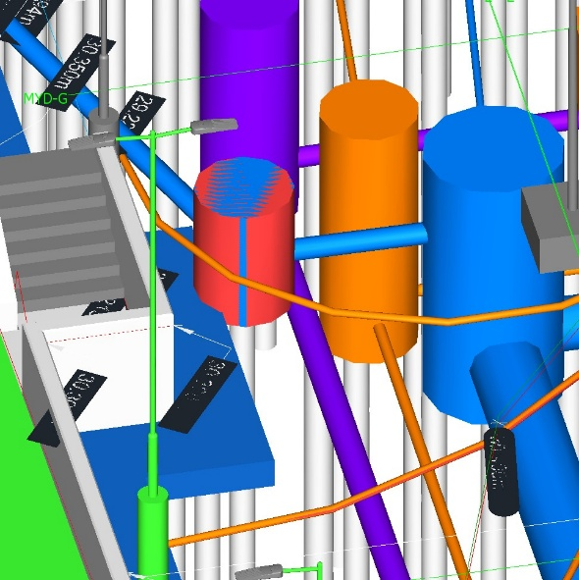 | 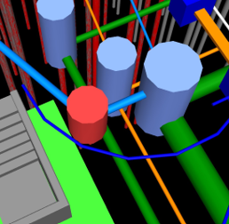 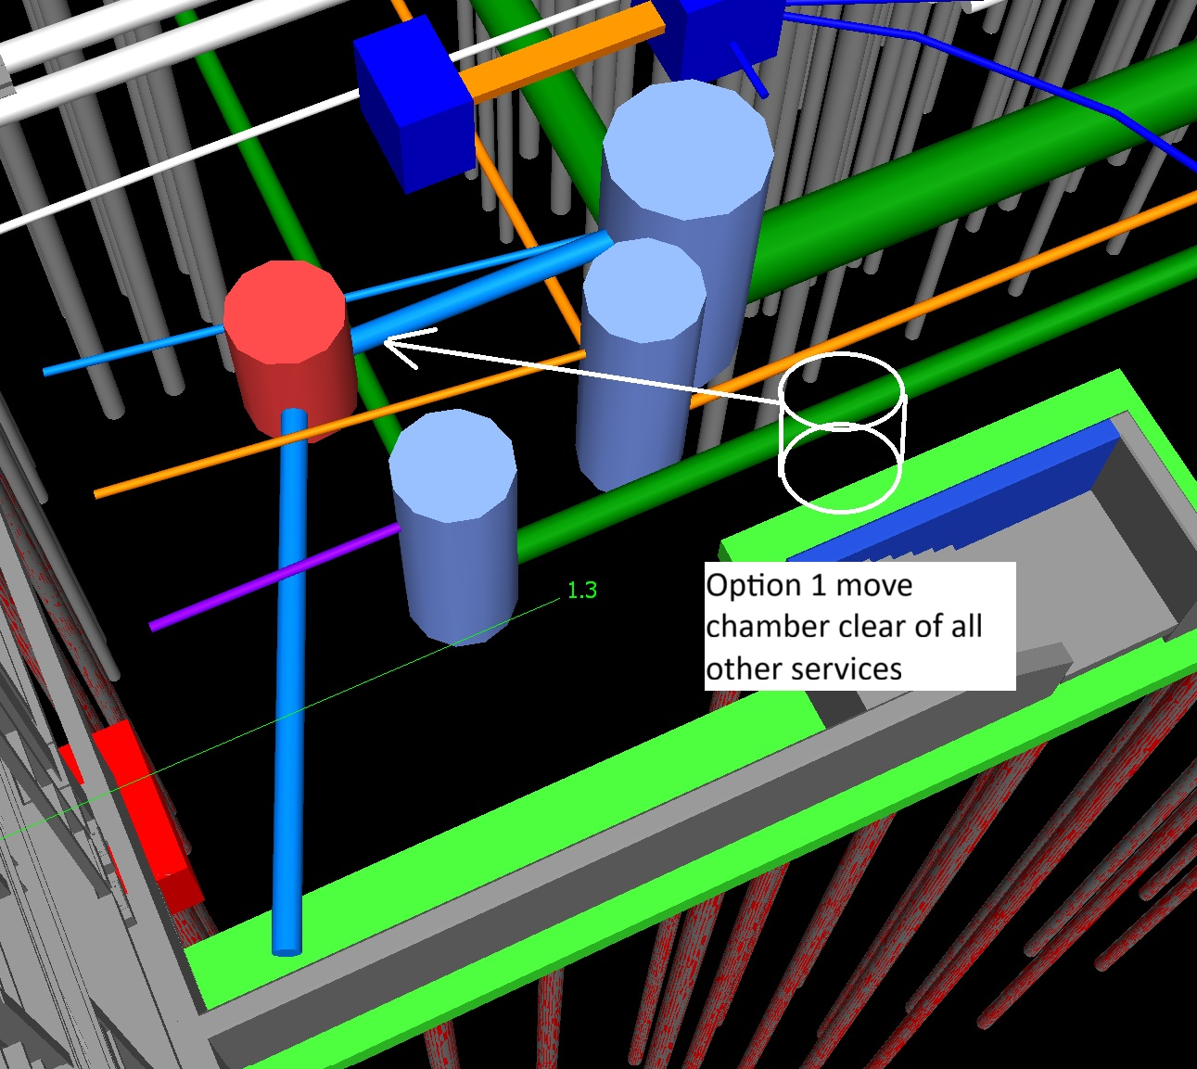 | Chamber moved to the north as suggested, however there are other services. Howerer alerative move to avoid serices
2 | 40R VS. PUF | None | Clash Group: 40R VS. PUF Between: ELV-7 and g-SEC-Security Column [1733189] Clash26 Distance: -0.224m Clash Point: 113822.201m, 128644.493m, 29.961m | Item Name: ELV-7 Network: GBL7A-Serv_ELV-40R Item Type: 1,200 x 1,200 mm Rectangular Structure Structure | Item Name: g-SEC-Security Column [1733189] Item Type: Geometry | g-SEC-Security Column [1733189] |  |  | chamber moved to the north as suggested
3 | 40R VS. PUF | None | Clash Group: 40R VS. PUF Between: B7-03.4.3 and Pile Cap-Rectangular [8443276] Clash75 Distance: -0.080m Clash Point: 114000.303m, 128840.095m, 29.220m | Item Name: B7-03.4.3 Network: GBL7A-Drain_Blowdown-40R Item Type: Slab Top Cylindrical Structure 600 dia 400 dia Frm 100 FrHt 200 slab 100 wall 200 floor Structure | Item Name: Pile Cap-Rectangular [8443276] Item Type: Geometry | Pile Cap-Rectangular [8443276] |  | 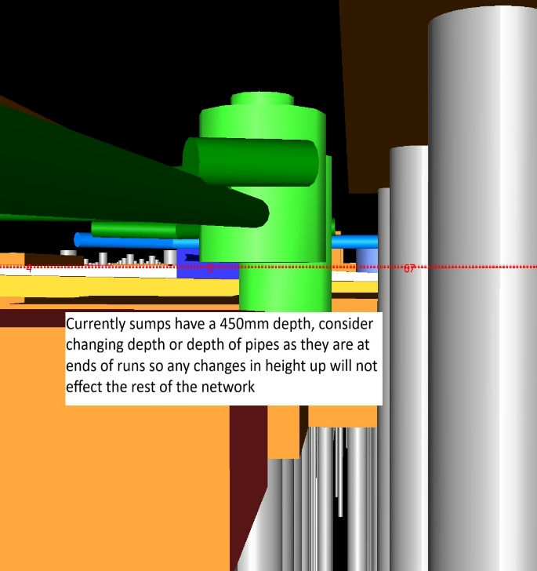 | Chambers moved north as suggested, now clash with other slab currently sumps have a depth of 450mm, consider changing depth of sump or depth of pipe to suit> pies are at ends of runs so any change ib height up, will not effect the rest of the networks
4 | 40R VS. PUF | None | Clash Group: 40R VS. PUF Between: B7-04.2.2 and Pile Cap-Rectangular [8443172] Clash76 Distance: -0.080m Clash Point: 114014.725m, 128755.642m, 29.220m | Item Name: B7-04.2.2 Network: GBL7A-Drain_Blowdown-40R Item Type: Slab Top Cylindrical Structure 600 dia 400 dia Frm 100 FrHt 200 slab 100 wall 200 floor Structure | Item Name: Pile Cap-Rectangular [8443172] Item Type: Geometry | Pile Cap-Rectangular [8443172] | 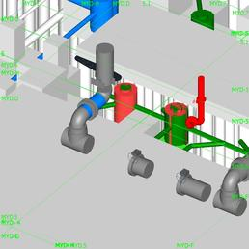 |  | Chambers moved north as suggested, now clash with other slab currently sumps have a depth of 450mm, consider changing depth of sump or depth of pipe to suit> pies are at ends of runs so any change ib height up, will not effect the rest of the networks
5 | 40R VS. PUF | None | Clash Group: 40R VS. PUF Between: B7-03.2.5 and Pile Cap-Rectangular [8443222] Clash73 Distance: -0.080m Clash Point: 114007.510m, 128797.893m, 29.220m | Item Name: B7-03.2.5 Network: GBL7A-Drain_Blowdown-40R Item Type: Slab Top Cylindrical Structure 600 dia 400 dia Frm 100 FrHt 200 slab 100 wall 200 floor Structure | Item Name: Pile Cap-Rectangular [8443222] Item Type: Geometry | Pile Cap-Rectangular [8443222] | 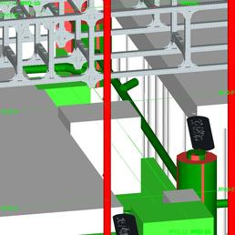 |  | Chambers moved north as suggested, now clash with other slab currently sumps have a depth of 450mm, consider changing depth of sump or depth of pipe to suit> pies are at ends of runs so any change ib height up, will not effect the rest of the networks
6 | 40R VS. PUF | None | Clash Group: 40R VS. PUF Between: B7-04.3.5 and Pile Cap-Rectangular [8443090] Clash72 Distance: -0.080m Clash Point: 114018.320m, 128734.590m, 29.220m | Item Name: B7-04.3.5 Network: GBL7A-Drain_Blowdown-40R Item Type: Slab Top Cylindrical Structure 600 dia 400 dia Frm 100 FrHt 200 slab 100 wall 200 floor Structure | Item Name: Pile Cap-Rectangular [8443090] Item Type: Geometry | Pile Cap-Rectangular [8443090] | 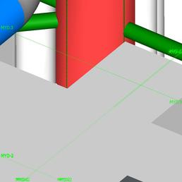 |  | Chambers moved north as suggested, now clash with other slab currently sumps have a depth of 450mm, consider changing depth of sump or depth of pipe to suit> pies are at ends of runs so any change ib height up, will not effect the rest of the networks
7 | 40R VS. PUF | None | Clash Group: 40R VS. PUF Between: B7-06.1.2 and Pile Cap-Rectangular [8443298] Clash71 Distance: -0.080m Clash Point: 113996.699m, 128861.196m, 29.220m | Item Name: B7-06.1.2 Network: GBL7A-Drain_Blowdown-40R Item Type: Slab Top Cylindrical Structure 600 dia 400 dia Frm 100 FrHt 200 slab 100 wall 200 floor Structure | Item Name: Pile Cap-Rectangular [8443298] Item Type: Geometry | Pile Cap-Rectangular [8443298] | 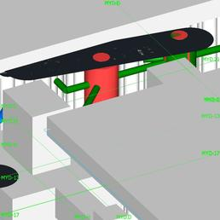 |  | Chambers moved north as suggested, now clash with other slab currently sumps have a depth of 450mm, consider changing depth of sump or depth of pipe to suit> pies are at ends of runs so any change ib height up, will not effect the rest of the networks
8 | 40R VS. PUF | None | Clash Group: 40R VS. PUF Between: B7-03.1.3 and Pile Cap-Rectangular [8443248] Clash70 Distance: -0.080m Clash Point: 114003.906m, 128818.994m, 29.220m | Item Name: B7-03.1.3 Network: GBL7A-Drain_Blowdown-40R Item Type: Slab Top Cylindrical Structure 600 dia 400 dia Frm 100 FrHt 200 slab 100 wall 200 floor Structure | Item Name: Pile Cap-Rectangular [8443248] Item Type: Geometry | Pile Cap-Rectangular [8443248] | 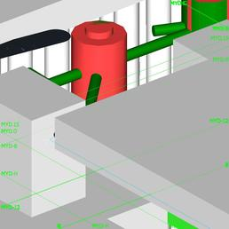 |  | Chambers moved north as suggested, now clash with other slab currently sumps have a depth of 450mm, consider changing depth of sump or depth of pipe to suit> pies are at ends of runs so any change ib height up, will not effect the rest of the networks
9 | 40R VS. PUF | None | Clash Group: 40R VS. PUF Between: B7-04.2.1 and Pile Cap-Rectangular [8443172] Clash67 Distance: -0.100m Clash Point: 114016.295m, 128755.931m, 29.300m | Item Name: B7-04.2.1 Network: GBL7A-Drain_Blowdown-40R Item Type: Slab Top Cylindrical Structure 600 dia 400 dia Frm 100 FrHt 200 slab 100 wall 200 floor Structure | Item Name: Pile Cap-Rectangular [8443172] Item Type: Geometry | Pile Cap-Rectangular [8443172] | 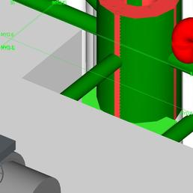 |  | Chambers moved north as suggested, now clash with other slab currently sumps have a depth of 450mm, consider changing depth of sump or depth of pipe to suit> pies are at ends of runs so any change ib height up, will not effect the rest of the networks
10 | 40R VS. PUF | None | Clash Group: 40R VS. PUF Between: B7-03.4.2 and Pile Cap-Rectangular [8443276] Clash66 Distance: -0.100m Clash Point: 114001.877m, 128840.373m, 29.300m | Item Name: B7-03.4.2 Network: GBL7A-Drain_Blowdown-40R Item Type: Slab Top Cylindrical Structure 600 dia 400 dia Frm 100 FrHt 200 slab 100 wall 200 floor Structure | Item Name: Pile Cap-Rectangular [8443276] Item Type: Geometry | Pile Cap-Rectangular [8443276] | 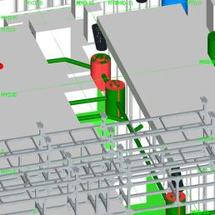 |  | Chambers moved north as suggested, now clash with other slab currently sumps have a depth of 450mm, consider changing depth of sump or depth of pipe to suit> pies are at ends of runs so any change ib height up, will not effect the rest of the networks
11 | 40R VS. PUF | None | Clash Group: 40R VS. PUF Between: B7-06.1 and Pile Cap-Rectangular [8443299] Clash5 Distance: -0.400m Clash Point: 114006.758m, 128862.898m, 29.300m | Item Name: B7-06.1 Network: GBL7A-Drain_Blowdown-40R Item Type: Slab Top Cylindrical Structure 600 dia 400 dia Frm 100 FrHt 200 slab 100 wall 200 floor Structure | Item Name: Pile Cap-Rectangular [8443299] Item Type: Geometry | Pile Cap-Rectangular [8443299] | 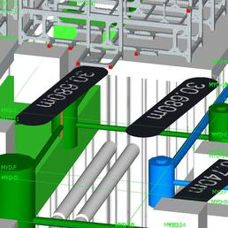 |  | Chambers moved north as suggested, now clash with other slab currently sumps have a depth of 450mm, consider changing depth of sump or depth of pipe to suit> pies are at ends of runs so any change ib height up, will not effect the rest of the networks
12 | 40R VS. PUF | None | Clash Group: 40R VS. PUF Between: B7-03.2.3 and Pile Cap-Rectangular [8443223] Clash4 Distance: -0.400m Clash Point: 114017.567m, 128799.596m, 29.300m | Item Name: B7-03.2.3 Network: GBL7A-Drain_Blowdown-40R Item Type: Slab Top Cylindrical Structure 600 dia 400 dia Frm 100 FrHt 200 slab 100 wall 200 floor Structure | Item Name: Pile Cap-Rectangular [8443223] Item Type: Geometry | Pile Cap-Rectangular [8443223] | 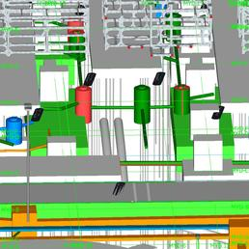 |  | Chambers moved north as suggested, now clash with other slab currently sumps have a depth of 450mm, consider changing depth of sump or depth of pipe to suit> pies are at ends of runs so any change ib height up, will not effect the rest of the networks
13 | 40R VS. PUF | None | Clash Group: 40R VS. PUF Between: B7-03.3.4 and Pile Cap-Rectangular [8443196] Clash65 Distance: -0.100m Clash Point: 114012.686m, 128777.070m, 29.300m | Item Name: B7-03.3.4 Network: GBL7A-Drain_Blowdown-40R Item Type: Slab Top Cylindrical Structure 600 dia 400 dia Frm 100 FrHt 200 slab 100 wall 200 floor Structure | Item Name: Pile Cap-Rectangular [8443196] Item Type: Geometry | Pile Cap-Rectangular [8443196] | 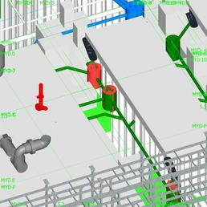 |  | Chambers moved north as suggested, now clash with other slab currently sumps have a depth of 450mm, consider changing depth of sump or depth of pipe to suit> pies are at ends of runs so any change ib height up, will not effect the rest of the networks
14 | 40R VS. PUF | None | Clash Group: 40R VS. PUF Between: B7-04.3.4 and Pile Cap-Rectangular [8443090] Clash64 Distance: -0.100m Clash Point: 114019.899m, 128734.870m, 29.300m | Item Name: B7-04.3.4 Network: GBL7A-Drain_Blowdown-40R Item Type: Slab Top Cylindrical Structure 600 dia 400 dia Frm 100 FrHt 200 slab 100 wall 200 floor Structure | Item Name: Pile Cap-Rectangular [8443090] Item Type: Geometry | Pile Cap-Rectangular [8443090] | 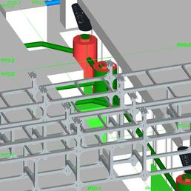 |  | Chambers moved north as suggested, now clash with other slab currently sumps have a depth of 450mm, consider changing depth of sump or depth of pipe to suit> pies are at ends of runs so any change ib height up, will not effect the rest of the networks
15 | 40R VS. PUF | None | Clash Group: 40R VS. PUF Between: B7-03.1.2 and Pile Cap-Rectangular [8443248] Clash63 Distance: -0.100m Clash Point: 114005.479m, 128819.272m, 29.300m | Item Name: B7-03.1.2 Network: GBL7A-Drain_Blowdown-40R Item Type: Slab Top Cylindrical Structure 600 dia 400 dia Frm 100 FrHt 200 slab 100 wall 200 floor Structure | Item Name: Pile Cap-Rectangular [8443248] Item Type: Geometry | Pile Cap-Rectangular [8443248] | 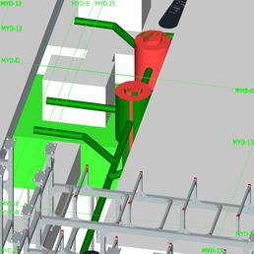 |  | Chambers moved north as suggested, now clash with other slab currently sumps have a depth of 450mm, consider changing depth of sump or depth of pipe to suit> pies are at ends of runs so any change ib height up, will not effect the rest of the networks
16 | 40R VS. PUF | None | Clash Group: 40R VS. PUF Between: B7-03.2.4 and Pile Cap-Rectangular [8443222] Clash62 Distance: -0.100m Clash Point: 114009.087m, 128798.172m, 29.300m | Item Name: B7-03.2.4 Network: GBL7A-Drain_Blowdown-40R Item Type: Slab Top Cylindrical Structure 600 dia 400 dia Frm 100 FrHt 200 slab 100 wall 200 floor Structure | Item Name: Pile Cap-Rectangular [8443222] Item Type: Geometry | Pile Cap-Rectangular [8443222] | 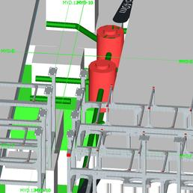 |  | Chambers moved north as suggested, now clash with other slab currently sumps have a depth of 450mm, consider changing depth of sump or depth of pipe to suit> pies are at ends of runs so any change ib height up, will not effect the rest of the networks
17 | 40R VS. PUF | None | Clash Group: 40R VS. PUF Between: B7-04.2 and Pile Cap-Rectangular [8443173] Clash47 Distance: -0.170m Clash Point: 114024.419m, 128757.498m, 29.300m | Item Name: B7-04.2 Network: GBL7A-Drain_Blowdown-40R Item Type: Slab Top Cylindrical Structure 600 dia 400 dia Frm 100 FrHt 200 slab 100 wall 200 floor Structure | Item Name: Pile Cap-Rectangular [8443173] Item Type: Geometry | Pile Cap-Rectangular [8443173] | 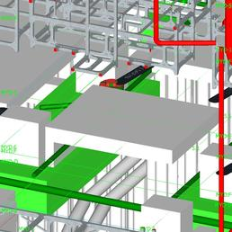 |  | Chambers moved north as suggested, now clash with other slab currently sumps have a depth of 450mm, consider changing depth of sump or depth of pipe to suit> pies are at ends of runs so any change ib height up, will not effect the rest of the networks
18 | 40R VS. PUF | None | Clash Group: 40R VS. PUF Between: B7-06.1.1 and Pile Cap-Rectangular [8443298] Clash61 Distance: -0.100m Clash Point: 113998.275m, 128861.474m, 29.300m | Item Name: B7-06.1.1 Network: GBL7A-Drain_Blowdown-40R Item Type: Slab Top Cylindrical Structure 600 dia 400 dia Frm 100 FrHt 200 slab 100 wall 200 floor Structure | Item Name: Pile Cap-Rectangular [8443298] Item Type: Geometry | Pile Cap-Rectangular [8443298] | 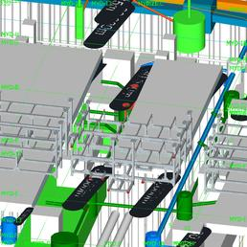 |  | Chambers moved north as suggested, now clash with other slab currently sumps have a depth of 450mm, consider changing depth of sump or depth of pipe to suit> pies are at ends of runs so any change ib height up, will not effect the rest of the networks
19 | 40R VS. PUF | None | Clash Group: 40R VS. PUF Between: B7-04.3.3 and Pile Cap-Rectangular [8443091] Clash6 Distance: -0.400m Clash Point: 114028.377m, 128736.294m, 29.300m | Item Name: B7-04.3.3 Network: GBL7A-Drain_Blowdown-40R Item Type: Slab Top Cylindrical Structure 600 dia 400 dia Frm 100 FrHt 200 slab 100 wall 200 floor Structure | Item Name: Pile Cap-Rectangular [8443091] Item Type: Geometry | Pile Cap-Rectangular [8443091] | 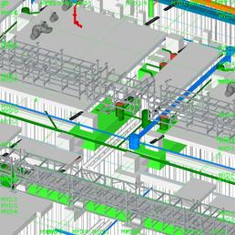 |  | Chambers moved north as suggested, now clash with other slab currently sumps have a depth of 450mm, consider changing depth of sump or depth of pipe to suit> pies are at ends of runs so any change ib height up, will not effect the rest of the networks
20 | 40R VS. PUF | None | Clash Group: 40R VS. PUF Between: B7-03.4.1 and Pile Cap-Rectangular [8443277] Clash8 Distance: -0.400m Clash Point: 114010.360m, 128841.798m, 29.300m | Item Name: B7-03.4.1 Network: GBL7A-Drain_Blowdown-40R Item Type: Slab Top Cylindrical Structure 600 dia 400 dia Frm 100 FrHt 200 slab 100 wall 200 floor Structure | Item Name: Pile Cap-Rectangular [8443277] Item Type: Geometry | Pile Cap-Rectangular [8443277] | 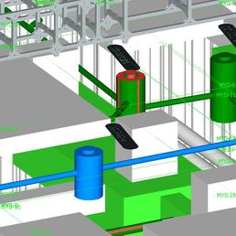 |  | Chambers moved north as suggested, now clash with other slab currently sumps have a depth of 450mm, consider changing depth of sump or depth of pipe to suit> pies are at ends of runs so any change ib height up, will not effect the rest of the networks
21 | 40R VS. PUF | None | Clash Group: 40R VS. PUF Between: B7-03.3.3 and Pile Cap-Rectangular [8443197] Clash10 Distance: -0.400m Clash Point: 114021.170m, 128778.496m, 29.300m | Item Name: B7-03.3.3 Network: GBL7A-Drain_Blowdown-40R Item Type: Slab Top Cylindrical Structure 600 dia 400 dia Frm 100 FrHt 200 slab 100 wall 200 floor Structure | Item Name: Pile Cap-Rectangular [8443197] Item Type: Geometry | Pile Cap-Rectangular [8443197] | 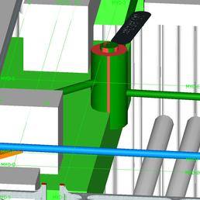 |  | Chambers moved north as suggested, now clash with other slab currently sumps have a depth of 450mm, consider changing depth of sump or depth of pipe to suit> pies are at ends of runs so any change ib height up, will not effect the rest of the networks
22 | 40R VS. PUF | None | Clash Group: 40R VS. PUF Between: B7-03.1.1 and Pile Cap-Rectangular [8443249] Clash13 Distance: -0.400m Clash Point: 114013.963m, 128820.698m, 29.300m | Item Name: B7-03.1.1 Network: GBL7A-Drain_Blowdown-40R Item Type: Slab Top Cylindrical Structure 600 dia 400 dia Frm 100 FrHt 200 slab 100 wall 200 floor Structure | Item Name: Pile Cap-Rectangular [8443249] Item Type: Geometry | Pile Cap-Rectangular [8443249] | 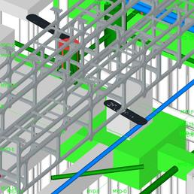 |  | Chambers moved north as suggested, now clash with other slab currently sumps have a depth of 450mm, consider changing depth of sump or depth of pipe to suit> pies are at ends of runs so any change ib height up, will not effect the rest of the networks
23 | 40R VS. PUF | None | Clash Group: 40R VS. PUF Between: CV930 (1) and g-SEC-Security Column [6830377] Clash84 Distance: -0.071m Clash Point: 113876.836m, 128677.674m, 29.869m | Item Name: CV930 (1) Network: GBL7A-Serv_Fibre-40R Item Type: 1,500 x 1,500 Rect Structure 400 dia Frm 100 FmHt 100 Slab 75 Wall 100 Floor Structure | Item Name: g-SEC-Security Column [6830377] Item Type: Geometry | g-SEC-Security Column [6830377] | 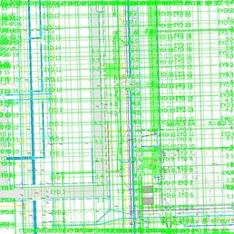 | (user images)
24 | 40R VS. PUF | None | Clash Group: 40R VS. PUF Between: Pipe124 and g-LGF-Lighting Columns1 [9439276] Clash59 Distance: -0.101m Clash Point: 113859.690m, 128741.571m, 29.409m | Item Name: Pipe124 Network: GBL7A-Serv_LV-40R Item Type: 420 mm x 160 mm 0 mm 2 x 1 160mm LV Duct Pipe Pipe 0.420m x 0.000m | Item Name: g-LGF-Lighting Columns1 [9439276] Item Type: Geometry | g-LGF-Lighting Columns1 [9439276] | 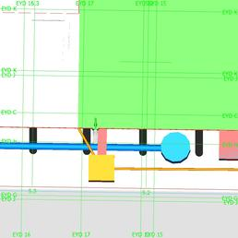 | (user images)
25 | 40R VS. PUF | None | Clash Group: 40R VS. PUF Between: LV1_4x160-112 and g-LGF-Lighting Columns1 [4094345] Clash68 Distance: -0.086m Clash Point: 114098.740m, 128683.810m, 29.149m | Item Name: LV1_4x160-112 Network: GBL7A-Serv_LV-40R Item Type: 420 mm x 420 mm 0 mm 2 x 2 160mm LV Duct Pipe Pipe 0.420m x 0.000m | Item Name: g-LGF-Lighting Columns1 [4094345] Item Type: Geometry | g-LGF-Lighting Columns1 [4094345] | 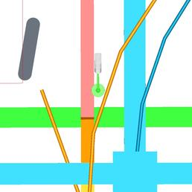 | (user images)
26 | 40R VS. PUF | None | Clash Group: 40R VS. PUF Between: Pipe1087 (53) and Bend - Butt Welded - HDPE [4149354] Clash181 Distance: -0.026m Clash Point: 113900.228m, 128688.266m, 29.525m | Item Name: Pipe1087 (53) Network: GBL7A-Serv_ELV-40R Item Type: 680 mm x 370 mm 0 mm 2 x 160mm 4 x 110mm ELV Duct Pipe Pipe 0.680m x 0.000m | Item Name: Bend - Butt Welded - HDPE [4149354] Item Type: Geometry | Bend - Butt Welded - HDPE [4149354] | 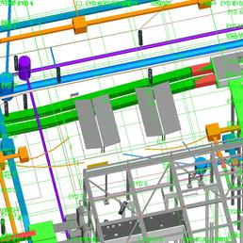 |  | Model shows 4 110mm ducts, current duct cconfiguerd 2 x 160 and 4 x 110 review duct size
27 | 40R VS. PUF | None | Clash Group: 40R VS. PUF Between: Pipe1087 (53) and Bend - Butt Welded - HDPE [4149490] Clash163 Distance: -0.028m Clash Point: 113899.993m, 128688.353m, 29.444m | Item Name: Pipe1087 (53) Network: GBL7A-Serv_ELV-40R Item Type: 680 mm x 370 mm 0 mm 2 x 160mm 4 x 110mm ELV Duct Pipe Pipe 0.680m x 0.000m | Item Name: Bend - Butt Welded - HDPE [4149490] Item Type: Geometry | Bend - Butt Welded - HDPE [4149490] | 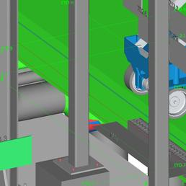 |  | Model shows 4 110mm ducts, current duct cconfiguerd 2 x 160 and 4 x 110 review duct size
28 | 40R VS. PUF | None | Clash Group: 40R VS. PUF Between: Pipe1087 (53) and Pipe Types [4149346] Clash91 Distance: -0.062m Clash Point: 113900.082m, 128688.369m, 29.513m | Item Name: Pipe1087 (53) Network: GBL7A-Serv_ELV-40R Item Type: 680 mm x 370 mm 0 mm 2 x 160mm 4 x 110mm ELV Duct Pipe Pipe 0.680m x 0.000m | Item Name: Pipe Types [4149346] Item Type: Geometry | Pipe Types [4149346] | 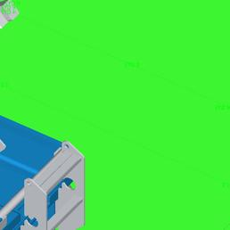 | (user images)
29 | 40R VS. PUF | None | Clash Group: 40R VS. PUF Between: Pipe179 and Pipe Types [4149346] Clash93 Distance: -0.052m Clash Point: 113900.054m, 128688.462m, 29.367m | Item Name: Pipe179 Network: GBL7A-Drain_Storm-40R Item Type: 300 mm PVC Pipe Pipe Pipe 0.300m x 0.314m | Item Name: Pipe Types [4149346] Item Type: Geometry | Pipe Types [4149346] | 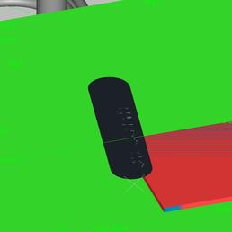 | (user images)
30 | 40R VS. PUF | None | Clash Group: 40R VS. PUF Between: LV1_2x160-13 and Floor [8567896] Clash157 Distance: -0.028m Clash Point: 114039.632m, 128793.794m, 29.935m | Item Name: LV1_2x160-13 Network: GBL7A-Serv_LV-40R Item Type: 420 mm x 160 mm 0 mm 2 x 1 160mm LV Duct Pipe Pipe 0.420m x 0.000m | Item Name: Floor [8567896] Item Type: Geometry | Floor [8567896] | 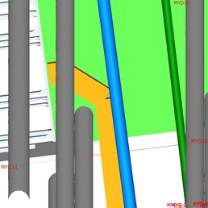 | (user images)
31 | 40R VS. PUF | None | Clash Group: 40R VS. PUF Between: LV1_2x160-40 and Floor [8567896] Clash151 Distance: -0.029m Clash Point: 114039.471m, 128793.487m, 29.935m | Item Name: LV1_2x160-40 Network: GBL7A-Serv_LV-40R Item Type: 420 mm x 160 mm 0 mm 2 x 1 160mm LV Duct Pipe Pipe 0.420m x 0.000m | Item Name: Floor [8567896] Item Type: Geometry | Floor [8567896] | 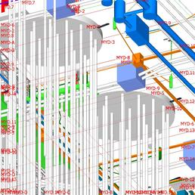 | (user images)
32 | 40R VS. PUF | None | Clash Group: 40R VS. PUF Between: LV1_2x160-41 and Floor [8567896] Clash149 Distance: -0.029m Clash Point: 114038.777m, 128792.802m, 29.935m | Item Name: LV1_2x160-41 Network: GBL7A-Serv_LV-40R Item Type: 420 mm x 160 mm 0 mm 2 x 1 160mm LV Duct Pipe Pipe 0.420m x 0.000m | Item Name: Floor [8567896] Item Type: Geometry | Floor [8567896] | 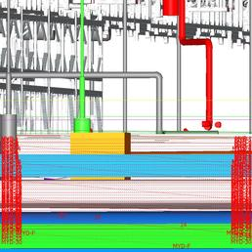 | (user images)
33 | 40R VS. PUF | None | Clash Group: 40R VS. PUF Between: B7-03.1.4 and Pile Cap-Rectangular [8443263] Clash3 Distance: -0.400m Clash Point: 114013.043m, 128825.883m, 29.300m | Item Name: B7-03.1.4 Network: GBL7A-Drain_Blowdown-40R Item Type: Slab Top Cylindrical Structure 600 dia 400 dia Frm 100 FrHt 200 slab 100 wall 200 floor Structure | Item Name: Pile Cap-Rectangular [8443263] Item Type: Geometry | Pile Cap-Rectangular [8443263] | 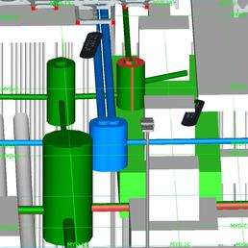 | (user images)
34 | 40R VS. PUF | None | Clash Group: 40R VS. PUF Between: B7-03.2.1 and Pile Cap-Rectangular [8443237] Clash7 Distance: -0.400m Clash Point: 114016.646m, 128804.782m, 29.300m | Item Name: B7-03.2.1 Network: GBL7A-Drain_Blowdown-40R Item Type: Slab Top Cylindrical Structure 600 dia 400 dia Frm 100 FrHt 200 slab 100 wall 200 floor Structure | Item Name: Pile Cap-Rectangular [8443237] Item Type: Geometry | Pile Cap-Rectangular [8443237] | 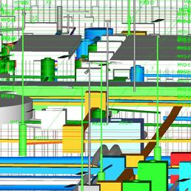 | (user images)
35 | 40R VS. PUF | None | Clash Group: 40R VS. PUF Between: B7-04.3.1 and Pile Cap-Rectangular [8443105] Clash9 Distance: -0.400m Clash Point: 114027.457m, 128741.479m, 29.300m | Item Name: B7-04.3.1 Network: GBL7A-Drain_Blowdown-40R Item Type: Slab Top Cylindrical Structure 600 dia 400 dia Frm 100 FrHt 200 slab 100 wall 200 floor Structure | Item Name: Pile Cap-Rectangular [8443105] Item Type: Geometry | Pile Cap-Rectangular [8443105] | 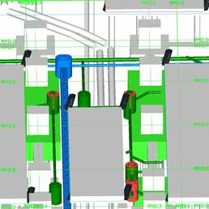 | (user images)
36 | 40R VS. PUF | None | Clash Group: 40R VS. PUF Between: B7-03.4.4 and Pile Cap-Rectangular [8443287] Clash11 Distance: -0.400m Clash Point: 114009.439m, 128846.984m, 29.300m | Item Name: B7-03.4.4 Network: GBL7A-Drain_Blowdown-40R Item Type: Slab Top Cylindrical Structure 600 dia 400 dia Frm 100 FrHt 200 slab 100 wall 200 floor Structure | Item Name: Pile Cap-Rectangular [8443287] Item Type: Geometry | Pile Cap-Rectangular [8443287] | 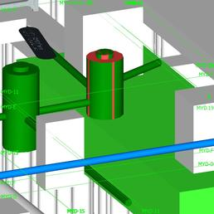 | (user images)
37 | 40R VS. PUF | None | Clash Group: 40R VS. PUF Between: B7-03.3.1 and Pile Cap-Rectangular [8443211] Clash12 Distance: -0.400m Clash Point: 114020.250m, 128783.681m, 29.300m | Item Name: B7-03.3.1 Network: GBL7A-Drain_Blowdown-40R Item Type: Slab Top Cylindrical Structure 600 dia 400 dia Frm 100 FrHt 200 slab 100 wall 200 floor Structure | Item Name: Pile Cap-Rectangular [8443211] Item Type: Geometry | Pile Cap-Rectangular [8443211] | 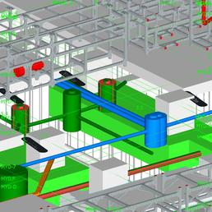 | (user images)
38 | 40R VS. PUF | None | Clash Group: 40R VS. PUF Between: B7-05.1.1 and Foundation Slab [9143310] Clash45 Distance: -0.170m Clash Point: 114031.060m, 128720.378m, 29.300m | Item Name: B7-05.1.1 Network: GBL7A-Drain_Blowdown-40R Item Type: Slab Top Cylindrical Structure 600 dia 400 dia Frm 100 FrHt 200 slab 100 wall 200 floor Structure | Item Name: Foundation Slab [9143310] Item Type: Geometry | Foundation Slab [9143310] | 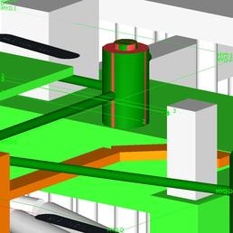 | (user images)
39 | 40R VS. PUF | None | Clash Group: 40R VS. PUF Between: B7-04.1 and Pile Cap-Rectangular [8443185] Clash46 Distance: -0.170m Clash Point: 114023.604m, 128762.534m, 29.300m | Item Name: B7-04.1 Network: GBL7A-Drain_Blowdown-40R Item Type: Slab Top Cylindrical Structure 600 dia 400 dia Frm 100 FrHt 200 slab 100 wall 200 floor Structure | Item Name: Pile Cap-Rectangular [8443185] Item Type: Geometry | Pile Cap-Rectangular [8443185] | 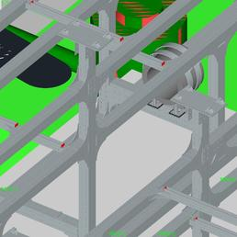 | (user images)

